Sheet1
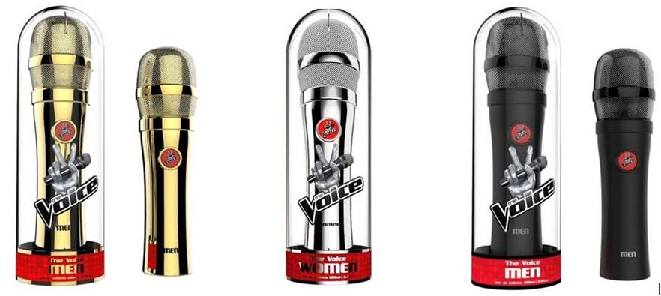
Item No. | Description | Barcode | Quantity

VCE-0001 | The Voice Men's Black Edition 100ml EDT Spray | 4260004154680 | 398
VCE-0002 | The Voice Men's Gold Edition 100ml EDT Spray | 4260004154727 | 502
VCE-0003 | The Voice Men's Silver Edition 100ml EDT Spray | 4260004154703 | 1055
VCE-0004 | The Voice Women's Black 100ml EDT Edition Spray | 4260004154697 | 344
VCE-0005 | The Voice Women's Gold Edition 100ml EDT Spray | 4260004154734 | 2025
VCE-0006 | The Voice Women's Silver Edition 100ml EDT Spray | 4260004154710 | 1984
 |  |  | 6308

